Overview
The idea | Evaluation | Implementation | Operation
The brainwave | Opportunity | Projects | Run
Backlog | Cost/Benefits | Planning | Measuring success
 | Prioritisation | Optimisation | Fine tuning
 |  | Implementation tasks & activities

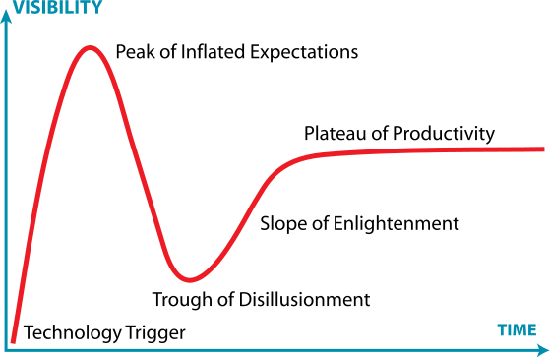

Sales funnel
Case management

